Valuation_pRICES
https://valueinvesting.io/docs/api
 | Key | chstta62brtsoncs34r0
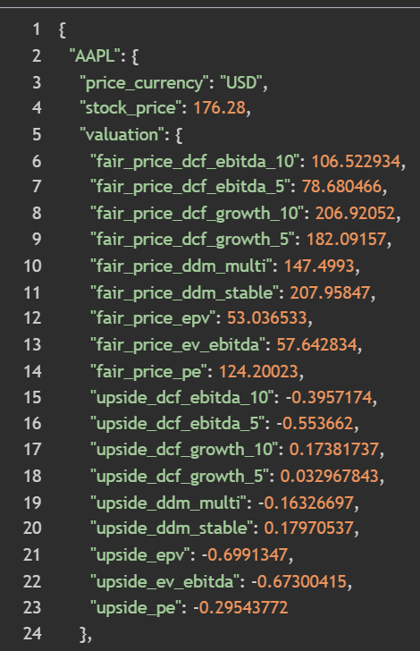

 | Conclusion | All of the vlauable data is premium - need topay

Price Targets
https://iexcloud.io/docs/api/#price-target

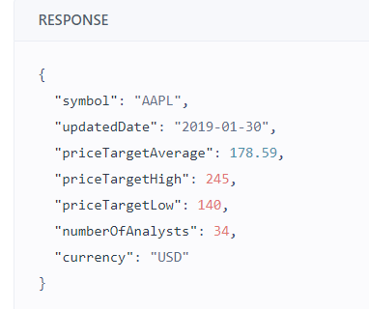
 | Looks like you have to pay extra to get price targets data

